PL_01 Information Security Comp
 |  |  |  |  |  |  |  |  |  | #REF!
Information Security Compliance Status Check Sheet
 |  |  |  | [Information Management Guidelines for Trustee（V2.8）Compliance Status]

Conducted by |  |  |  |  | Conducted date
Project name |  |  |  |  | Work location | □Customer: Location ( ), □Fujitsu (Fujitsu Group Company) : Location ( ), □Private company : Location ( )
№ | Category | Information Management Guidelines for Trustee |  | Check Result
 |  | Items to check | Order |  | Operation Checklist （□→■Multiple choices are possible, ○→●Choose one of the following） *If the symbol is different from the current status, it can be changed from □←→○ at the discretion of the person filling in the form. |  | No event | Decision |  | Items to be improved If the evaluation is ×, State the problem and the improvement period. | Remarks
 |  |  |  |  |  |  |  | ○ | ×
(Example) | Employee Management | Operation check of compliance items within the project | 2.5 | Check the status of compliance regularly and promptly take measures for improvement if there are any problems. | ・Checking method: □ Use this check sheet □ Internal audit □ Report at executive meeting ■ Others（Method：Conducted when instructed by the consignor） ・Checking cycle: ●Once a month ○Every six months ○ Quarterly (3 months) ○Yearly ○ Others ( ) |  |  |  | ✔ | Problem: Voluntary periodic check has not been conducted. Improvement period: Compliance status will be checked quarterly starting from mm/yyyy. Status, issues and improvements will be reported to the executive committee.
Appendix 2 - Education of Information Security for Partners [Confirmation Test] V2.８
Appendix 1 - Pledge
1 | Employee Management | authentication of access to entrusted information | 2.3 | When selecting employees, ensure that they are aware of the compliance requirements (also ensuring that they attend educational materials that comply with these guidelines, if they are separately required to do so). | ・If you have instructed your staff to attend "Information Security Education for Partners" ● Checked attendance (Attendance record: ) Example：Worker ledger, outsourcing staff registration system ○I have not checked the attendance ・About the method of disseminating compliance items other than the education above Method of dissemination（ ） Dissemination record（ ） |  |  | ✔
PL_02 Employee Ledger_Masterlist
 |  |  |  | Obtain a contract from employees to the company. The company shall obtain a contract (copy) from the subcontractor and keep it. However, if you are accepting workers based on a worker dispatch contract with another company, have them submit a contract addressed to your company. | ・A contract to comply with the "Information Management Guidelines for Trustees" and "Same Guidelines". Private employee: ● Acquired ○ No acquisition Dispatched employee：○ Acquired ○ No acquisition ○ No dispatched personnel Contractor employee：○ (Copy) Acquired ○ (Copy) No acquisition ○ No reconsignment |  |  | ✔
OL_02 Employee Ledger_Masterlist
2 |  | Records of employee ledger | 2.1 2.2 | Notify the project manager of the consignor information of the manager ・ worker at the start of the consignment work and at the time of change. | ● Notified (entered into web system: Outsourcing Staff Registration System) ○ Notified (Submit the worker ledger) ○ No notification |  |  | ✔
PL_02 to PL_08
3 |  | Operation check of compliance items within the project | 2.5 | Check the status of compliance regularly and promptly take measures for improvement if there are any problems. | ・Checking method: ● Use this check sheet □ Internal audit □ Report at executive meeting □ Others（Method：Conducted when instructed by the consignor） ・Checking cycle：● Once a month ○Every six months ○ Quarterly (3 months) ○Yearly ○Others ( ) |  |  | ✔
OL_03 ITPN Selfcheck worksheet
06_List of Hardware
4 |  | Authentication of access to entrusted information | 4.2 | When storing entrusted information on company-managed servers or PCs (including the residential work location), set up user authentication (e.g., unique IDs/passwords for each user) to prevent access by anyone other than the person in charge. *If there is a mixture of rental equipment and in-house equipment, enter only the answer for in-house equipment. | ・Server: ● Customer, Use Fujitsu servers ○ Use own server→Next① ①Unique ID/password for each person: ○ Configured ○ Not set ・PC: ○ Customer, Lent by Fujitsu ○ Use of own supplied item→Next① ①Unique ID/password for each person: ○ Configured ○ Not set ○ Do not store entrusted information on PC |  |  | ✔
PL_01 Information Security Comp
5 |  | Inaccessible measures for entrusted information | 4.4 | Delete IDs and collect keys to prevent access by personnel (including the person in charge of administration) who are no longer in charge of the entrusted work. *If there is a mixture of rental equipment and in-house equipment, enter only the answer for in-house equipment. | ・Server: ● Customer, Use Fujitsu servers ○ Use own server→Next① ①Deletion of IDs: ○ Delete each time ○ Delete all at once in a certain period ○ No deletion ・Locker/drawer keys: ○ Rules are in place to prevent storage of entrusted information. ○ Keys are collected ○ Keys are not collected |  |  | ✔
PL_06 List of Confidential information
PL_07 Certification of data disposal
PL_08 List of status for data disposal or deletion
6 |  | Checking of disposal and deletion of entrusted information | 4.5 | Confirm and record the return, disposal, and deletion of entrusted information held by personnel (including the manager) who are no longer in charge of the entrusted work. *If there is a mixture of rental equipment and in-house equipment, enter only the answer for in-house equipment. | PC: ● Customer, Lent by Fujitsu ● Use of own supplied item→Next①,② ①Checking: ● Self-check only ○ Third party check ○ Do not require checking ②Records：● Record in ledger ○ No specific records ・Removable media: ○ Unusable ●Customer, Lent by Fujitsu ○ Use of own supplied item→Next①、② ①Checking：● Self-check only ○ Third party check ○ Do not require checking ②Records：○ Record in ledger ● No specific records ・Locker: ○ Not stored ○ Customer, Fujitsu management ●In-house management→Next①、② ①Checking Record: ● Record in ledger ○ No specific records ・Drawer: ○ Not stored ○ Customer, Fujitsu management ●In-house management→Next①、② ①Checking: ● Self-check only ○ Third party check ○ Do not require checking ②Record: ● Record in ledger ○ No specific records |  |  | ✔ |  | No leavers for Q3-Q4
PL_04 List of Information Security Hardware
7 | Equipment Management | Management of equipment used in work | 3.3 | Identify the equipment used at the work place (excluding Fujitsu or equipment lent by Fujitsu customers), record it in the "Information Security Equipment Management Ledger", notify it and obtain permission. | ・Equipment to be used: ●Customers, lent by Fujitsu ○ Own supplies→Next①,② ①Recorded in the information security equipment management ledger: ○ Yes ○ No ②Permission to Fujitsu project manager: ○ Permission granted ○ Permission not granted |  |  | ✔
PL_04 List of Information Security Hardware
8 |  | Compliance with rules and management of lent items | 3.4 | ・Security cards are worn at all times in the work area. ・Follow the rules for rented appliances at the time of rent. ・Ensure that when it is not needed, do not carry it outside the work area, pay attention to the deterioration and damage of the storage cases and straps, do not remove them, and take precautions against loss or theft. | ・Lent item: ○ Yes→Next①～③ ○ None ①Item: □ Security card □ Smartphone □ Mobile phone □ Cabinet key □ Others ( ) ②Dissemination as a company（Select all that are being conducted): □ Company rules □ Periodic education □ Posted in documents, websites, etc. □ Others ( ) ③Measures to raise awareness of compliance（Select all that are being conducted): □ Reminder at regular meetings, etc. □ Checksheet □ Contract □ Other ( ) |  | ✔ |  |  | - Not applicable
9 |  | Handling of personally owned equipment in work | 4.3 | Use of personal computers, smart devices, and any other information devices during work is prohibited. | ・Does the company rule prohibits the use of the product: ● Established→Next①,② ○ Uncertain ①Checking method: ● Self-report ○ Third party check ○ Check using the tool ○ Others ( ) ②Management records: ○ Yes ○ No |  |  | ✔ |  | 1) Check using the tool - Intune
PL_06 List of Confidential information
PL_04 List of Information Security Hardware
10 |  | Locking management of entrusted information | 4.1 | In the following cases below, entrusted information shall be locked and managed in project units so that only the person in charge of management or the person engaged in the project can access it. ・Entrusted information is recorded on paper media. ・Entrusted information is recorded on portable storage media and laptops (including smart devices) *Smart devices are smartphones, tablet devices, etc. | ・Paper materials: ● In use（Storage location: Locking method: ) ○ Not used ・Portable storage media: ● In use（Storage location: Locking method: ) ○ Not used ・Laptops ：● In use（（Storage location: Locking method: ) ○ Not used ・Smart device：● In use（Storage location: Locking method: ) ○ Not used |  |  | ✔
PL_04 List of Information Security Hardware
11 |  | Use of servers and PCs (including smart devices) *Use of external servers and external service environment is also included. | 4.2 | ・Use of company servers and PCs (including smart devices): Set up user authentication (personal IDs, password, etc.) so that only the person in charge of management and the staff can access the system. ・Use of external servers（e.g., rental servers) or external service environments (e.g., cloud services): The SLA (Service Level Agreement) of the contractor should be thoroughly check in advance, and the data should be encrypted only after obtaining permission from Fujitsu's project manager, including the content of the SLA. *The environment specified by the customer or Fujitsu (ProjectWEB, etc.) is excluded. | ・Destination of consignment information（Select all applicable): ● Company server Verification method（ Project web and SVN ） ● PC Verification method（ VPN and Cloud ） ● Smart device Verification method（ ） ・Storage of entrusted information on external servers and external service environments: ○ Yes→Next①～④ ○ None ①Use of external server (service environment): Name ( ) ②Prior SLA（Service Level Agreement）Check: ○ Yes ○ No ③Permission of Fujitsu project manager: ○ Yes ○ No ④Data encryption: ○ Yes ○ No （ ） |  |  | ✔
PL_03 ITPN Selfcheck worksheet
12 |  | Security measures for PCs | 4.3 | Laptops: Setting the BIOS password at startup is mandatory. Encrypt the entire internal hard disk or set HDD password. *Thin clients are excluded. | ・Use of laptops: Yes→Next①～④ ○ No ①BIOS password: ● Configured ○ Not configured ②Encryption: ● Yes/Entire internal HDD ○ Yes/Set HDD password ○ No ③Ledger record: ● Yes ○ No ④Checking method: ● Self-report ○ Third party check ○ Check using the tool |  |  | ✔
 |  |  |  | Prohibit the installation of software that is not necessary for work, such as file exchange software on PCs used for work. | ・Ledger record：● Yes ○ No ・Checking method: ● Self-report ○ Third party check ○ Check using the tool |  |  | ✔
 |  |  |  | Install anti-virus software on PCs used for work and perform virus checks on a regular basis and all security patches should be applied and virus defined files should always be up-to-date. | ・Ledger record: ● Yes ○ No ・Checking method: ● Self-report ○ Third party check ● Check using the tool ・Name of anti-virus software（ ） ・Scan cycle（ ） |  |  | ✔
 |  |  |  | For PCs used in work, disable the function that automatically duplicates the information in the PC to a server outside the company. | ・Ledger record: ○ Yes ○ No ・Checking method: ○ Self-report ○ Third party check ○ Check using the tool |  |  | ✔
 |  |  |  | Access to internet sites using a PC used for work purposes shall be limited to the extent necessary for work and shall not be used for personal use. | ・Dissemination: ● Yes→Next① ○ No ①Dissemination method（Select all that are being conducted） ● Company rules □ Periodical training □ Posted in documents, websites, etc. □ Others ( ) |  |  | ✔
13 |  | Security measures for smart devices | 4.3 | Use of smart devices for entrusted work (when storing entrusted information) ※Answer the following questions (1) to (6) only if you are using it. | ・Using smart devices for entrusted work： ● In use *Exclude multi-factor authentication Go to next question (1) to (6) Not in use→To no.14 |  |  | ✔
PL_04 List of Information Security Hardware
 |  |  |  | (1) The remote lock, remote wipe, and local wipe functions shall be enabled. | ・Ledger record: ●Yes ○ No ・Checking method: ○ Self-report ○ Third party check ● Check using the tool |  |  | ✔
 |  |  |  | (2) Encrypt the entire internal storage device or use software that automatically encrypts the entrusted information to be stored. | ・Ledger record: ●Yes ○ No ・Checking method: ○ Self-report ○ Third party check ● Check using the tool |  |  | ✔
 |  |  |  | (3) No synchronization with public cloud services. | ・Ledger record: ●Yes ○ No ・Checking method: ○ Self-report ○ Third party check ● Check using the tool |  |  | ✔
 |  |  |  | (Android or Windows-based smart devices.) (4) Make sure that the definition files of anti-virus software are up-to-date, enable real-time scanning, and scan all disk areas on a regular basis. | ・Ledger record: ●Yes ○ No ・Checking method: ○ Self-report ○ Third party check ● Check using the tool |  |  | ✔
 |  |  |  | (5) Software is obtained from official marketplaces such as the official Android Market or App Store, or is limited to the minimum necessary for work operations. | ・Dissemination: ● Yes ○ No ・Dissemination method（Select all that are being conducted） □ Company rules □ Periodical training □ Posted in documents, websites, etc. □ Others ( ) |  |  | ✔
 |  |  |  | (6) Access to internet sites by smart devices used in the work shall be limited to the scope necessary for work and shall not be used for personal use. | ・Dissemination: ● Yes ● No ・Dissemination method（Select all that are being conducted） □ Company rules □ Periodical training □ Posted in documents, websites, etc. □ Others ( ) |  |  | ✔
PL_04 List of Information Security Hardware
14 |  | Security measures for portable storage media | 4.3 | (1) Among the portable storage media used for work, USB memory devices and portable hard disks shall be used automatically when storing all encrypted information. (2) When using portable storage media other than USB memory or portable hard disk, consult to Fujitsu project manager. | ・Use of USB flash drives and portable hard drives：● Yes→Next① ○ No ①Encryption：● Automatically ○ Manually ○ Not encrypted（Target media： ） ・Use of portable storage media other than USB memory and portable hard disks： ○ Yes→Next① ○ No ①Permission of Fujitsu project manager: ○ Yes ○ No |  |  | ✔
PL_06 List of Confidential information
15 | Entrusted Information Management | Management of ledgers of confidential information (including personal information) | 3.1 | Recorded in "Confidential Information Management Ledger" when confidential information is received. | ・Receipt of confidential information, etc.: ● Yes→Next① ○ No ①Record in the confidential information management ledger: ● Yes ○ No |  |  | ✔
16 |  | Safety management measures for personal information | 3.5 | ・Measures to be taken when handling personal information - Organizational and human safety management measures to ensure appropriate handling. *Development of organizational structure, formulation of regulations, etc. - Physical safety management measures such as access control for information system rooms, etc. | ・Handling of personal information: ○ Yes→Next① ● No ①Safety management measures（Select all that are being conducted.） □ Development of organizational structure (Select one of the following) □ Appointment of CISO □ Specialized organization □ Establishment of committees □ Others（ ） □ Formulation of regulations（Name of regulation： ） □ Physical safety management measures, such as access control at the work site （Implementation measure: ） □ Others（ ） |  |  | ✔
17 |  | Handling of Personal Numbers and Specified Personal Information | 3.6 10.2 | ・When handling personal numbers (My Number)/information containing personal numbers (specified personal information), follow the instructions of the Fujitsu project manager or check how it handle. ・We will take the same security control measures as for personal information and comply with the "Guidelines for the Proper Handling of Specified Personal Information" of the Personal Information Protection Committee. - Record of usage status (Usage and output status of specified personal information files, login records, access logs, etc.) - Regular analysis of logs, etc. | ・Handling of personal information:○ Yes→Next①～③ ● No ①Dissemination of "Guidelines for proper handling of specific personal information": ○ Yes ● No ②Record of usage status: □File usage and output status □ Log in records □ Access log □ Others（ ） ③Regular analysis: □ Log □ Others（ ） |  |  | ✔
18 |  | Personal Data Handling under the European General Data Protection Regulation (GDPR) | 3.7 10.3 | ・Follow the instructions of Fujitsu project manager or check how it handle. ・Taking the same security management measures as for your personal information, and does it complying with the contract separately provided by Fujitsu. - Record of usage status (Usage and output status of specified personal information files, login records, access logs, etc.) - Regular analysis of logs, etc. | ・Handling of personal data in Europe: ○ Yes→Next①～③ ● No ①Dissemination of contractual matters presented by Fujitsu: ○ Yes ○ No ②Record of usage status: □File usage and output status □ Log in records □ Access log □ Others（ ） ③Regular analysis: □ Log □ Others（ ） |  |  | ✔
PL_06 List of Confidential information
19 |  | Handling of entrusted information received directly from customers | 3.2 | Report to the Fujitsu project manager when directly receiving entrusted information from Fujitsu customers and follow his/her instructions. | ・Receive commissioned information directly from customers: ○ Yes→Next① ● No ①Reporting method: ○ Letter ○Mail (This includes cases where the message is transmitted in the same broadcast.) ○ Others（ ） |  |  | ✔
PL_06 List of Confidential information
20 |  | Handling of confidential information, etc. | 5.3 5.4 | When duplicating or sending confidential information by e-mail, obtain the prior permission of the Fujitsu project manager. The location and the manager of the duplicated or e-mailed confidential information shall be recorded in the "Confidential Information Management Ledger. | ・Duplicating confidential information: ○ Yes→Next①,② ● No ①Method of how to grant permission to Fujitsu project manager ○ Letter every time ○ Mail every time ○ The scope of the project has been defined in advance and permission has been obtained. ○ Others（ ） ②Recorded in the confidential information management ledger: ○ Yes○ No ・Printing confidential information: ○ Yes→Next①,② ○ No ①Method of how to grant permission to Fujitsu project manager ○ Letter every time ○ Mail every time ○ The scope of the project has been defined in advance and permission has been obtained. ○ Others（ ） ②Recorded in the confidential information management ledger: ○ Yes○ No ・Confidential information, etc. is being sent by e-mail: ○ Yes→Next①,② ○ No ①Method of how to grant permission to Fujitsu project manager ○ Letter every time ○ Mail every time ○ The scope of the project has been defined in advance and permission has been obtained. ○ Others（ ） ②Recorded in the confidential information management ledger: ○ Yes○ No |  |  | ✔
 |  |  | 5.4 4.6 | When sending entrusted information other than confidential information to a location other than the Fujitsu designated location, record it in the "Confidential Information Management Ledger". | ・Information entrusted other than confidential information, etc.: ○ Yes→Next①,② ● No ①Transmission of entrusted information to locations other than those designated by Fujitsu: ○ Yes→Next② ○ No ②Ledger records when sending: ○ Yes ○ No |  |  | ✔
PL_05 PC Take-out Approval Ledger
21 |  | Taking out entrusted information | 4.6 | When taking out entrusted information, limit the amount of entrusted information to the minimum necessary and record it in the "Confidential Information Management Ledger" in advance. Obtain prior permission from the Fujitsu project manager before taking any entrusted information out. | ・Taking out entrusted information: ○ Yes→Next①,② ● No ①Records of entrusted information to be taken out：○ Yes ○ No ②Permission of Fujitsu project manager: ○ Permission granted→Next③ ○ Permission not granted ③Permission method: ○ Letter ○ Mail ○ Others（ ） |  |  | ✔
PL_04 List of Information Security Hardware
22 |  | Points to note when taking out entrusted information | 4.7 | Be careful not to peek at screens or materials in public places while traveling, do not let go of them, and take sufficient precautions against loss or theft. Specially, the risk of loss or theft is higher in situations where attention is easily reduced (drinking, poor health, viewing smartphones on the train, etc.). | ・Loss and theft prevention measures: ● Yes→Next①,② ○ No ①Dissemination method（Select all that you are conducting): ● Company rules □ Periodical training □ Posted in documents, websites, etc. □ Others ( ) ②Measures to raise awareness of compliance（Select all that you are conducting): □ Reminder at regular meetings, etc. □ Checksheet □ Contract □ Others（ ） |  |  | ✔
 |  |  |  | (1) When taking out entrusted information on a laptop ・Encrypt all entrusted information. | ・Encryption: ● Yes→Next① ○ No ①Encryption method: ○ Internal hard disk encryption ○ Software to automatically encrypt entrusted information ○ Others（ ） |  |  | ✔
 |  |  |  | (2) When entrusted information is taken out in portable storage media ・Use USB flash drives and portable hard drives that automatically encrypt all the information they store. ・Otherwise, encrypt the files or implement security locks, etc. | ・Use of USB flash drives and portable hard drive: ● Yes→Next① ○ No ①Encryption method: ○ Automatically encrypt all stored information ○ Install encryption software ○ Set security lock |  |  | ✔
 |  | Points to note when taking out entrusted information | 4.7 | (3) When entrusted information is sent by e-mail, encryption of attached files shall be implemented. Do not include any confidential information in the subject line or body of the email. | Is entrusted information sent by e-mail?：○ Yes→Next①,② ● No ①Attaching files: ○ Yes→Next to a. ○ No a.File Encryption: ○ Configured ○ Not configured ②Disseminating confidential information not to be included in the subject line or body of emails.：○ Yes→Next to a. ○ No a.Dissemination method（Select all that you are conducting） □ Company rules □ Periodical training □ Posted in documents, websites, etc. □ Others ( ) |  |  | ✔
PL_06 List of Confidential information
PL_07 Certification of data disposal
PL_08 List of status for data disposal or deletion
23 |  | Handling of entrusted information upon completion of entrusted work | 7.1 7.3 | ・At the end of the contracted work, after confirming with the Fujitsu project manager, the original and duplicate copies of the contracted information (including confidential information, etc.) and e-mails shall be returned, disposed of, or deleted, and the date of return, disposal, or deletion and the manager shall be recorded in the "Confidential Information Management Ledger. ・Disposal・deletion performed in a manner equivalent to the following example Example: Paper media ⇒ Incineration, dissolution, or other unrecoverable methods Electronic media => Use tools to overwrite meaningless data, and destroy portable media that cannot be rewritten, such as CD-Rs. ・Disposal・After the deletion, report it to the Fujitsu project manager. | ・Receipt of entrusted information:● Yes→Next①～④ ○ No ①Check with Fujitsu project manager on how to return, dispose of, and delete: ● Yes ○ No ②Procedure by the indicated method: ○ Up to the individual ○ Third-party checking ③Report to the Fujitsu project manager after the action: ○ Yes ○ No ④Post-procedure ledger records: ○ Yes ○ No |  |  | ✔
PL_06 List of Confidential information
PL_07 Certification of data disposal
PL_08 List of status for data disposal or deletion
24 |  | Information entrusted after completion of work | 7.2 | When storing entrusted information (excluding personal information) under the direction of Fujitsu project manager, compliance is followed. *It is not permitted to store data or materials at your own discretion in case of maintenance or inquiries. Check with the Fujitsu project manager for instructions on how to continuously hold the product. As instructed by the Fujitsu project manager, all entrusted information held by Fujitsu shall be stored on a server with restricted access or in a locker that has a lock. | ・Instructed to retain the entrusted information after the completion of the entrusted work: ○ Not instructed ○ Instructed→Next①～③ ○ Obtained permission to hold the product because it was considered necessary for responding to inquiries during the defect warranty period.→Next①～③ ①Compliance with the same requirements as during the period of service:○ Yes ○ No ②Storage location of entrusted information: ○ Own server with restricted access ○ Lockers with locks ○ Others（ ） ③Information recorded in the confidential information management ledge: ○ Yes ○ No |  |  | ✔
25 | Outsourcing Management | Outsourcing to other companies | 6.1 | When outsourcing part of the entrusted work to another company, obtain prior written permission. | ・Part of the entrusted work outsourced to another company:○ Yes→Next① ○ No ①Document describing the consignment application: □ Quotation □ Work system application form □ Others（ ） |  | ✔
26 |  | Contracts with contractors | 6.2 8.3 | Require compliance with the "Information Management Guidelines for Trustees (including the Guidelines)" in contracts with contractors. Fujitsu and its customers will be able to conduct on-site inspections of contractors to confirm compliance. | ・Part of the entrusted work outsourced to another company:○ Yes→Next①～③ ○ No ・Terms and conditions of contracts with contractors and target contracts ①Duty of confidentiality: ○ Stated（□ Basic contract □ Memodandum □ Order form □ Individual contract） ○ Not stated ②Obligation to comply with entrusted information management guidelines and the same guidelines:○ Stated（□ Basic contract □ Memorandum □ Order form □ Individual contract） ○ Not stated ③On-site investigation: ○ Stated（□ Basic contract □ Memorandum □ Order form □ Individual contract） *Fujitsu and its customers as well as the company itself must be able to conduct on-site inspections. ○ Not stated |  | ✔
27 |  | Disclosure and provision of entrusted information to contractors | 6.3 | When disclosing or providing entrusted information to a contractor, clearly indicate that the information is entrusted information and should be treated as confidential. | ・Company disclose or provide entrusted information to contractors: ○ Yes→Next① ○ No ①Instruct to treat it as confidential when disclosing or providing it: ○ Yes ○ No |  | ✔
PL_06 List of Confidential information
28 |  | Records of ledgers regarding information disclosed or provided to contractors | 6.4 | When confidential information is disclosed or provided, it shall be recorded in the "Confidential Information Management Ledger. In addition, when entrusted information other than confidential information is provided to a place other than the designated place, it shall be recorded in the ledger. | ・Company disclose or provide confidential information: ○ Yes→Next① ○ No ①Ledger record: ○ Yes ○No ・Trustee information is provided outside of designated locations.: ○ Yes→Next① ○ No ①Ledger record: ○ Yes ○No |  | ✔
29 | Incident report | Reporting of incidents | 8.1 | Report incidents to Fujitsu project manager and procurement department when they occur. | ・Reporting obligation to Fujitsu project manager：● Aware of it→Next① ○ Not aware of it ①Why are you aware of it: □ Contractor's project rules ● Company rules □ Shared by department/project □ Others（ ） ・Reporting obligation to Fujitsu procurement department: ○ Aware of it→Next① ○ Not aware of it ①Why are you aware of it:□ Company rules □ Contact system in case of emergency □ Share within the target department □ Others（ ） |  |  | ✔
30 | Telework | Telework rules and regulations | 10.4 | For entrusted work that uses telework, comply with the "Telework Regulations. * Group companies that apply the Fujitsu Group Regulations are not eligible, so no response is required. | ・Implementation of telework in entrusted operations connected to Fujitsu's network: ○ No ● Yes Compliance with telework regulations： ○Yes ○No |  |  | ✔

PL_02 Employee Ledger_WS-MNL
FUJITSU-CONFIDENTIAL
List of the Company’s Employees（Sample）

Date of Submission | 2022-02-01 |  |  |  |  | Name of Project Manager | Name of department | JPRBU-JDU-AS
Name of Company | WeServ Systems International, Inc |  |  |  |  |  | Name | Cel M
Name of Project | Teamstore |  |  |  |  |  | Telephone | xx-xxxx-xxxx
Article/order number
*1 In the column of "Reconsignment", mark "R" in case of reconsignment to a third party, the name of which shall be written in the column of "Name of Company".
*2 In the column of "Project/Security Manager", mark "P" for the project manager (the Company's Manager), "S" for the security manager, and "P/S" for the concurrent (project and security) manager.
*3 The Company's Manager shall obtain the "Pleadges" from all the Company's Employees by explaining to them the rules of "Information Management Procedure for the Business Partner" including its Guideline, and addional requests (if any) from the consignor (Fujitsu).

*4 In the column of "Completion date of education for information security", write the date when the Company's Employees receive the education indicated by the consignor.
e.g. Education of Information Security for Partners V2.4 (Basic Explanation, Case Study, Confirmation Test)
*5 In the column of "Date of return, disposal, or deletion", write the date when all the Fujitsu's Information has been returned, disposed, or deleted after the completion of the Services.

№ | Employee |  |  | Project/ SecurityManager *2 | Working period for the Services |  | Date of submitting of "Pledge" *3 | Completion date of education for information security *4 | Date of return, disposal, or deletion *5
 | Name of Employee | Reconsignment *1 | Name of Company |  | Start date | End date
1 | Kodachi, Yuri |  | Weserv (Manila) |  | 2021-10-01 | 2022-03-31 | 2021-07-28 | 2021-07-28
2 | Marasigan, Rommel |  | Weserv (Manila) |  | 2021-10-01 | 2022-03-31 | 2021-07-29 | 2021-07-29

Add the lines in case there are more than 20 employees.

PL_02 Employee Ledger_WS-CEB
FUJITSU-CONFIDENTIAL
List of the Company’s Employees（Sample）

Date of Submission | 2022-02-16 |  |  |  |  | Name of Project Manager | Name of department | JPRBU-JDU-AS
Name of Company | WeServ Systems International, Inc |  |  |  |  |  | Name | Aissa Tobias
Name of Project | Teamstore |  |  |  |  |  | Telephone | xx-xxxx-xxxx
Article/order number | Write the PO number
*1 In the column of "Reconsignment", mark "R" in case of reconsignment to a third party, the name of which shall be written in the column of "Name of Company".
*2 In the column of "Project/Security Manager", mark "P" for the project manager (the Company's Manager), "S" for the security manager, and "P/S" for the concurrent (project and security) manager.
*3 The Company's Manager shall obtain the "Pleadges" from all the Company's Employees by explaining to them the rules of "Information Management Procedure for the Business Partner" including its Guideline, and addional requests (if any) from the consignor (Fujitsu).

*4 In the column of "Completion date of education for information security", write the date when the Company's Employees receive the education indicated by the consignor.
e.g. Education of Information Security for Partners V2.4 (Basic Explanation, Case Study, Confirmation Test)
*5 In the column of "Date of return, disposal, or deletion", write the date when all the Fujitsu's Information has been returned, disposed, or deleted after the completion of the Services.

№ | Employee |  |  | Project/ SecurityManager *2 | Working period for the Services |  | Date of submitting of "Pledge" *3 | Completion date of education for information security *4 | Date of return, disposal, or deletion *5
 | Name of Employee | Reconsignment *1 | Name of Company |  | Start date | End date
1 | Tobias, Aissa Zarina |  | Weserv (Cebu) | P/S | 2021-10-01 | 2022-03-31 | 2021-08-03 | 2021-06-03
2 | Tia, Ericjohn |  | Weserv (Cebu) |  | 2021-10-01 | 2022-03-31 | 2021-06-03 | 2021-06-03
3 | De Real, Christopher |  | Weserv (Cebu) |  | 2021-10-01 | 2022-03-31 | 2021-06-09 | 2021-06-09
4 | Nengasca, Patrick James |  | Weserv (Cebu) |  | 2021-10-01 | 2022-03-31 | 2021-07-29 | 2021-07-29
5 | Fernandez, Rey Phillip |  | Weserv (Cebu) |  | 2021-10-01 | 2022-03-31 | 2021-08-31 | 2021-08-31

Add the lines in case there are more than 20 employees.

PL_03 ITPN Selfcheck WS-MNL
Selfcheck worksheet for the device where ITPN(IT Policy N@vi) is not installed(version 4.1) |  |  |  |  |  |  |  |  |  |  |  |  |  |  |  |  |  |  |  |  |  |  |  |  |  |  |  |  |  |  | CONFIDENTIAL MATERIAL /RESTRICTED ACCESS
 | Checking Period |  |  | Jan 16- Feb 15, 2022 | Implementation
 | Division Name-Project Name |  |  | JPRBU - JDU - AS Manila
 | Project Manager Name |  |  | Tobias, Aissa Zarina
(Please write the appropriate remarks based on the criteria below)
**1
If Data Deletion Timing = After delivery, write when will the project end
If Data Deletion Timing = Others, write type of data deletion timing
**2
If member resigned or moved to another team (e.g. outside JDU-AS), write down member's end date in JDU-AS
**3
If member was assigned with new laptop, write "New PC"
**4
If no change from last reporting, write "Same/ No changes"
If there are changes, write "With updates". Then, please highlight the cell in yellow for the changed values
**5
If the member's record is new in this report or was just added (not included in last reporting), write "New joiner"
**6
If "Reason for not answering the selfcheck" is not "-", please indicate reason or provide description. Target date when will be audited
**7
If there is NG, please indicate NG description, Target Date when will be corrected
 | Accepted Date by Security PIC |  |  | Feb 18, 2022 |  |  |  |  | choices of No.1~22 ⇒ 0：OK 1：NG －:not covered |  |  | IT to provide monthly report |  | GDC Policy - default setting (It cannot be disabled or removed) | IT to provide monthly report | GDC Policy - default setting (It cannot be disabled or removed) |  |  |  |  | IT to provide monthly report |  |  |  | For removal as advised by IT (EOL) | Check manually by members |  |  |  | For removal as advised by IT (EOL) | Similar Tool not available in GDC (Always "-") | GDC Policy autocomplete is not prohibited (Always ("-")) | IT monthly report (same as 11)
 |  |  |  |  |  |  |  |  |  |  |  | 1 | 2 | 3 | 4 | 5 | 6 | 7 | 8 | 9 | 10 | 11 | 12 | 13 | 14 | 15 | 16 | 17 | 18 | 19 | 20 | 21 | 22 | 23 |  |  | Notes
№ | Equipment Management Number （12 digit -4 digit） | Computer/Host Name | OS | User or manager | Date | Project Name | PM | Number of NG | Reason why ITPN is not installed | The reason for NG | Reason for not answering the selfcheck | check of virus definition | Real-time security（Auto-Protect） | Virus scanning（scheduled scan ） | Virus scanning carried out within seven days | Scanning all of the drives | Windows logon password | Screen lock password | Waiting time of the screen saver(within 10 minutes) | Password for recovery from standby | BIOS password | HDD password | Support of OS *1 | Microsoft Update and so on | Support of Adobe Flash Player*2 | Support of Adobe Reader*2 | Support of Adobe Acrobat *2 | Support of Java Runtime Plugin*3 | Support of RealPlayer *4 | Google Desktop「search across computers」 | Tool for preventing sending e-mail to outside the company by mistake (SHieldMailChecker) | Internet Explorer 「autocomplete」[Options] | Encryption HDD | Data Deletion Timing (based on Project security rules) | Target for Local File Deletion | Result of Local File Deletion
1 |  |  |  | Kodachi, Yuri |  |  |  | 0 | c.impossible to introduce | - | d. Cannot confirm |  |  |  |  |  |  |  |  |  |  |  |  |  |  |  |  |  |  |  |  |  |  |  |  |  | Onleave during the audit. Will report for next month.
2 |  |  |  | Marasigan, Rommel | 2022-02-03 |  |  | 1 | c.impossible to introduce | a. Cannot correct (ex. Following customer policy) | - | 0 | 0 | 0 | 0 | 0 | 0 | 0 | 0 | 0 | 0 | 0 | 1 | 0 | - | - | - | - | - | - | 0 | 0 | 0 |  |  |  | New PC; Maintenance and Support, project data is not deleted, project is still ongoing.
3 |  |  |  |  |  |  |  |  |  | - | -
4 |  |  |  |  |  |  |  |  |  | - | -

【Points】
1. Please name this file as 「SelfCheckSheet_xxDiv_xxPJ」. Don't change the top of the name of file.
2: Please answer「The reason why ITPN is not installed」,「The reason why you don't answer a selfcheck」 and 「Reason of NG」 from pull-down menu as possible.
3. If the number of rows is insufficient, please copy upper rows and paste.

【Reference】
 | *1: Windows the end of OS support |  |  |  | http://shield.nic.fujitsu.com/procedure/reference/support/os/

 | *2: Support of Adobe product |  |  |  | https://helpx.adobe.com/security.html

 | *3: Security of Java |  |  |  | https://java.com/en/security/
 |  |  |  |  | https://www.oracle.com/technetwork/java/javase/eol-135779.html

 | *4: About support of RealPlayer |  |  |  | https://customer.real.com/hc/en-us/articles/204039423-Support-for-older-products
 |  |  |  |  | https://customer.real.com/hc/en-us/sections/201214067-About-RealPlayer
 |  |  |  |  |  |  |  |  |  |  |  |  |  |  |  |  |  |  |  |  |  |  |  |  |  |  |  |  |  |  |  |  |  |  |  |  | FUJITSU CONFIDENTIAL

PL_03 ITPN Selfcheck WS-CEB
Selfcheck worksheet for the device where ITPN(IT Policy N@vi) is not installed(version 4.1) |  |  |  |  |  |  |  |  |  |  |  |  |  |  |  |  |  |  |  |  |  |  |  |  |  |  |  |  |  |  | CONFIDENTIAL MATERIAL /RESTRICTED ACCESS
 | Checking Period |  |  | Jan 16- Feb 15, 2022 | Implementation
 | Division Name-Project Name |  |  | JPRBU - JDU - AS (Cebu) / Teamstore
 | Project Manager Name |  |  | Tobias, Aissa Zarina
(Please write the appropriate remarks based on the criteria below)
**1
If Data Deletion Timing = After delivery, write when will the project end
If Data Deletion Timing = Others, write type of data deletion timing
**2
If member resigned or moved to another team (outside JDU-AS), write down member's end date in the team (eg. JDU-AS)
**3
If member was assigned with new laptop, write "New PC"
**4
If no change from last reporting, write "Same/ No changes"
If there are changes, write "With updates". Then, please highlight the cell in yellow for the changed values
**5
If the member's record is new in this report or was just added (not included in last reporting), write "New joiner"
**6
If "Reason for not answering the selfcheck" is not "-", please indicate reason or provide description. Target date when will be audited
**7
If there is NG, please indicate NG description, Target Date when will be corrected
 | Accepted Date by Security PIC |  |  | Feb 18, 2022 |  |  |  |  | choices of No.1~22 ⇒ 0：OK 1：NG －:not covered |  |  | IT to provide monthly report |  | GDC Policy - default setting (It cannot be disabled or removed) | IT to provide monthly report | GDC Policy - default setting (It cannot be disabled or removed) |  |  |  |  | IT to provide monthly report |  |  |  | For removal as advised by IT (EOL) | Check manually by members |  |  |  | For removal as advised by IT (EOL) | Similar Tool not available in GDC (Always "-") | GDC Policy autocomplete is not prohibited (Always ("-")) | IT monthly report (same as 11)
 |  |  |  |  |  |  |  |  |  |  |  | 1 | 2 | 3 | 4 | 5 | 6 | 7 | 8 | 9 | 10 | 11 | 12 | 13 | 14 | 15 | 16 | 17 | 18 | 19 | 20 | 21 | 22 | 23 |  |  | Notes
№ | Equipment Management Number （12 digit -4 digit） | Computer/Host Name | OS | User or manager | Date | Project Name | PM | Number of NG | Reason why ITPN is not installed | The reason for NG | Reason for not answering the selfcheck | check of virus definition | Real-time security（Auto-Protect） | Virus scanning（scheduled scan ） | Virus scanning carried out within seven days | Scanning all of the drives | Windows logon password | Screen lock password | Waiting time of the screen saver(within 10 minutes) | Password for recovery from standby | BIOS password | HDD password | Support of OS *1 | Microsoft Update and so on | Support of Adobe Flash Player*2 | Support of Adobe Reader*2 | Support of Adobe Acrobat *2 | Support of Java Runtime Plugin*3 | Support of RealPlayer *4 | Google Desktop「search across computers」 | Tool for preventing sending e-mail to outside the company by mistake (SHieldMailChecker) | Internet Explorer 「autocomplete」[Options] | Encryption HDD | Data Deletion Timing (based on Project security rules) | Target for Local File Deletion | Result of Local File Deletion
1 | SPEFY161225 |  | Win 10 version 1909 | Tobias, Aissa Zarina | 2022-02-03 |  |  | 0 | c.impossible to introduce | - | - | 0 | 0 | 0 | 0 | 0 | 0 | 0 | 0 | 0 | 0 | 0 |  | 0 |  | - | - | - | - | 0 | - | - | 0 | Others (please specify in Remarks eg. Resignation) | - | - | **1 Maintenance and Support, project data is not deleted, project is still ongoing.
2 | SPEFY200805 |  | Win10 version 21H1 | Tia, Ericjohn | 2022-02-15 |  |  | 0 | c.impossible to introduce | - |  |  |  |  |  |  |  |  |  |  |  |  |  |  |  |  |  |  |  |  | - | - |  | Others (please specify in Remarks eg. Resignation) | - | - | **1 Maintenance and Support, project data is not deleted, project is still ongoing.
3 |  |  |  | De Real, Christopher | 2022-02-15 |  |  | 1 | c.impossible to introduce | d. Several reasons as shown above |  | 0 | 0 | 0 | 0 | 0 | 0 | 0 | 0 | 0 | 0 | 0 | 1 | 0 | 0 | - | - | - | - |  | - | - | 0 | Others (please specify in Remarks eg. Resignation) | - | - | **1 Maintenance and Support, project data is not deleted, project is still ongoing.; **7 Asset Tag is missing for Laptop, For Request
4 | SPEY160560-A37 |  |  | Nengasca, Patrick James | 2022-02-15 |  |  | 0 | c.impossible to introduce | - | - |  |  |  |  |  |  |  |  |  |  |  |  |  |  |  |  |  |  |  | - | - |  | Others (please specify in Remarks eg. Resignation) | - | - | **1 Maintenance and Support, project data is not deleted, project is still ongoing.
5 | SPEFY205156 |  |  | Fernandez, Rey Phillip | 2022-02-15 |  |  | 1 | c.impossible to introduce | a. Cannot correct (ex. Following customer policy) | - | 0 | 0 | 0 | 0 | 0 | 0 | 0 | 0 | 0 | 0 | 0 | 1 | 0 | 0 | - | - | - | - | - | - | - | 0 | Others (please specify in Remarks eg. Resignation) | - | - | **1 Maintenance and Support, project data is not deleted, project is still ongoing. **7

【Points】
1. Please name this file as 「SelfCheckSheet_xxDiv_xxPJ」. Don't change the top of the name of file.
2: Please answer「The reason why ITPN is not installed」,「The reason why you don't answer a selfcheck」 and 「Reason of NG」 from pull-down menu as possible.
3. If the number of rows is insufficient, please copy upper rows and paste.

【Reference】
 | *1: Windows the end of OS support |  |  |  | http://shield.nic.fujitsu.com/procedure/reference/support/os/

 | *2: Support of Adobe product |  |  |  | https://helpx.adobe.com/security.html

 | *3: Security of Java |  |  |  | https://java.com/en/security/
 |  |  |  |  | https://www.oracle.com/technetwork/java/javase/eol-135779.html

 | *4: About support of RealPlayer |  |  |  | https://customer.real.com/hc/en-us/articles/204039423-Support-for-older-products
 |  |  |  |  | https://customer.real.com/hc/en-us/sections/201214067-About-RealPlayer
 |  |  |  |  |  |  |  |  |  |  |  |  |  |  |  |  |  |  |  |  |  |  |  |  |  |  |  |  |  |  |  |  |  |  |  |  | FUJITSU CONFIDENTIAL

PL_04 List of Info Sec HW
FUJITSU-CONFIDENTIAL

List of information security hardware(Sample)

Name of Company: |  |  |  | WeServ Systems International, Inc |  |  |  |  |  |  |  |  |  |  |  |  |  |  |  | Date of Submission:
Name of Project: |  |  |  | Teamstore |  |  |  |  |  |  |  |  |  |  | Working period for the Services - start date (yyyy/mm/dd) and end date (yyyy/mm/dd): |  |  |  |  |  |  | 2022/01/01 - 2022/03/31
Name/Dept. of Project Manager: |  |  |  | Tobias, Aissa Zarina / JPRBU - JDU - AS (Cebu)

No | Date of check or report | Name of employee | Main place of using hardware | PC / Smart device |  |  |  |  |  |  |  |  |  |  |  |  |  | Portable storage media |  |  | Disuse |  | Remarks
 |  |  |  | Type of hardware | Hardware number | OS | Password (Mark "X" in case the password is attached) |  |  | Encryption |  | P2P software | Function of automatic duplication | Virus check |  |  | Carrying the hardware outside the designated area | Hardware No. | Function of security lock | Function of encryption | Date | Confirmation of return or deletion of Fujitsu's Information
 |  |  |  |  |  |  | BIOS | HDD | OS | Application situation | Name of software |  |  | Application situation | Definition file of antivirus software | Name of software
1 | 2022-02-04 | Aissa Tobias | Home | Laptop | R301898 | Windows10 | X | X | X | X | Bitlocker | X | - | Sophos |  |  | NA | SPEFY161805 |  | X
2 | 2022-02-04 | Aissa Tobias | Home | CAT Terminal | 21308 | Windows10 |  |  |  |  |  |  |  |  |  |  | NA |  |  |  |  |  | JP owned devices, for testing
3 | 2022-02-04 | Aissa Tobias | Home | Panasonic Terminal | 20C01505 | Windows10 |  |  |  |  |  |  |  |  |  |  | NA |  |  |  |  |  | JP owned devices, for testing
4

PL_06 List of Confidential info
FUJITSU-CONFIDENTIAL
List of the Confidential Information（Sample）

Name of Company: |  |  | WeServ Systems International, Inc
Name of Project: |  |  | Teamstore
The excepted end date of Project: |  |  | 2022-03-31
Name/Dept. of Project Manager: |  |  | Tobias, Aissa Zarina / JPRBU - JDU - AS (Cebu)

No | Name of the Confidential information | (Mark "X" in the appropriate one) |  |  |  |  |  |  |  | History of handling the Confidential Information |  |  |  |  |  |  | Storage of the Confidential Information |  | Ruturn, disposal, or deletion of the Confidential Information |  |  | Remarks
 |  | From |  |  |  | To |  |  |  | Type of execution to the Confidential Information | Execution date | Qty | Type of media that contain the Confidential Information | The Confidential Information |  |  | Place that the Confidential Information is stored in, or provided from/to | Type of Original or Copy(ies) | Execution date | Return or Disposal or Deletion | Approved by
 |  | Customer | Fujitsu | Company | Others | Fujitsu | Company | Subcontractor | Others |  |  |  |  | from | to | Approved by
 | 協力会社／9001_ＧＤＣフィリピン \1010_WebSERV延命(PKGV6L01)\21_テーブル設計書 https://pjshr170.soln.jp/IJSP06B/ln/lib/1Ugj86g |  | X |  |  |  | X |  |  | Receipt | 2022-01-28 | 140 | Projectweb and Email | 2022-01-28 | 2022-02-28 | Aissa | Projectweb | Original
 | 協力会社／9001_ＧＤＣフィリピン \1040_MES_CAFISAech連携 https://pjshr170.soln.jp/IJSP06B/ln/lib/dLPf-3y |  | X |  |  |  | X |  |  | Receipt | 2022-01-28 | 10 | Projectweb and Email | 2022-01-28 | 2022-02-28 | Aissa | Projectweb | Original

PL_07 Certification of data dis
FUJITSU-CONFIDENTIAL

Fujitsu Limited
(To: Fujitsu's project manager or Fujitsu's procurement department)

Certificate of the Destruction or Deletion (Sample)

Regarding Project XXX for Customer YYY, we hereby confirm that we destroyed or deleted (a) all of Fujitsu's Information (including the Personal Information), (b) all information that we obtained in connection with the Services, and (c) all copies thereof.

1. Objects to be disposed or deleted

 | (mark "X" in the appropriate box）

 |  | The Confidential Information
 |  | (stored in the PCs or the portable memory media either owned by the Company or privately owned by the relevant personnel, or recorded on paper.）

 |  | Fujitsu's Information that is not the Confidential Information (stored in the PCs or the portable memory media either owned by the Company or privately owned by the relevant personnel, or recorded on paper)

4. Attachment

 | PL_06 List of the Confidential Information
 | PL_08 List of the return, disposal, or deletion
 | (and other documents requested by Fujitsu)

 |  | Signature:

 |  | Name:

 |  | Department:

 |  | Company:

 |  | Date:

 |  | End of document

PL_08 List of status for data d
FUJITSU-CONFIDENTIAL
List of the return, disposal, or deletion (Sample)
 |  |  |  |  | Date of Submission:
Name od Company:
Name of Project
Name/Dept. Project Manager
Working period for the Services - start date (yyyy/mm/dd) and end date (yyyy/mm/dd):

No | Name of the Confidential Information | Return, disposal, or deletion of the Confidential Information |  |  | Remarks
 |  | Execution date | Return or Disposal or Deletion | Approved by
1 | Specification sheet of System AAA for Customer BBB | 2013-03-31 | Return | (Name of the manager or leader)
2 | Specification sheet of Subsystem CCC (that composes System AAA) for Customer BBB | 2013-03-31 | Deletion | (Name of the manager or leader)

Appendix2
Education of Information Security for Partners [Confirmation Test] V2.８
 |  |  |  |  | Fujitsu Limited
 | Date |  | Company
 |  | YYYY/MM/DD | Div/Dept | Name
- You will answer the following 10 questions, then push the button of "Score".
- You will try them again in case of some mistake(s) in your answer.
("Certificate" will be issued only after you have all 10 correct answers.)
* Before starting this [Confirmation Test], it is necessary to learn [Basic Explantion] and [Case Study] of "Education of Information Security for Partners." To answer the questions, you can refer to [Basic Explanation] , [Case Study], and "Guideline for Information Management Procedures for Business Partner".
1: Select the correct way of thinking and actions to prevent information security accidents from the following text.
 | If we have a plan to drink beforehand, I will call the participants and check if they have not Fujitsu's Information.
 | Because most accidents result from carelessness or unconsciousness, we do not necessarily follow the rules if we are careful.
 | Security cards, mobile phones and smartphones that are always carried have the highest risk of loss or theft.
 | "I'm fine only myself" is unfounded confidence and must always act with security in mind.
 | I lost the bag containing the Fujitsu's Information, but I put priority on finding it and put off escalation.
2: Select all items that should be treated as Fujitsu's Information
 | Programs developed in the Services.
 | Information on publicly available websites.
 | Minutes of meetings with customers.
 | Specifications presented by customers
3: Please select all the correct methods of handling the security card lent by the customer.
 | I wear it all the time during work.
 | When I move it in my bag, I put it alone in the inside zippered pocket.
 | The case for storing the security card is a little damaged, but I keep using it thinking that I can replace it later.
 | As we are applying for a security card for a new participant, we used the card of the exiting participant that we had not returned.
 | The security card is checked regularly.
4: Please select all the correct items regarding the handling of personal information.
 | When handling personal information, it is necessary to take organizational and human security management measures such as developing an organizational system and formulating regulations.
 | After the Services were completed, I retained personal information in preparation for inquiries from customers.
 | I will follow the instructions of the entruster regarding the handling of personal information in the Services.
 | Personal data in Europe refers to the personal information of persons residing in the EU and persons being located in the region.
5: Please select all the correct items regarding return, disposal, and deletion of Fujitsu's information.
 | I kept the documents such as the design document because I thought it was necessary for the inquiry from the customer even after the Services were finished.
 | Within one week after the end of the Services, the method of disposal and return was confirmed with the project manager of the contractor and recorded in the ledger after the treatment.
 | I was told to discard the DVD that stored the migration data, so I destroyed it so that I could not restore it.
 | If requested by Fujitsu's Project Manager or Procurement, we will provide a written confirmation of the disposal or elimination.
6: Please select all the correct information devices for business use.
 | I used a personal USB flash drive with the same security measures as the company supplied one because the rental procedure is troublesome.
 | I photographed the whiteboard with a privately owned smart device to create a meeting minutes.
 | Smart devices used for work enabled remote locking, remote wipe, and local wipe.
 | Access to Internet sites through PCs shall be limited to the scope necessary for business and shall not be used privately.
 | It is prohibited to use software that is not necessary for work, but there is no problem to install it.
 | It is good if I run a virus scan of PC used in business when I have time.
7: Please select all the correct actions when sending emails.
 | I don't use AutoComplete to automatically complete my e-mail address when I set up a mailing address.
 | When I send an email, I check whether there is a problem with the address, body and attachment.
 | It was an unfamiliar email, but I opened it to check the content
 | I send it to multiple addresses, so I specified the address with BCC to prevent email address leakage.
 | I received the attached file without the password from the customer, but I forwarded it to the person outside the company.
8: Please select all appropriate ones from the following sentences, in the explanation about virus infection measures and information leak measures,
 | The virus was detected and I immediately disconnected it from the network.
 | I use a smartphone provided by my company to exchange business emails, but I don't lock the password because it is troublesome.
 | It works fine, so I am using a computer running an unsupported operating system.
 | The USB memory used in the business is one that all information is automatically encrypted.
 | Be careful not to be peeped at screens and documents in public places while traveling.
9: Please select all that are correct when connecting to the Fujitsu network for performing telework at home.
 | Consent of the entruster is not required when carrying out telework.
 | I got a permission from entruster to telework at home, so I worked at a restaurant near my home where Wi-Fi is available.
 | At telework, using company-supplied PC that applied the measures which indicated in the project.
 | I printed out the project related document from my personal computer using a personal USB memory.
10: Please select all that are required by the “Guideline of Information Management Procedures for Business Partner” to be approved or notified by the Fujitsu Project Manager.
 | When receiving contract information directly from the customer.
 | When part of the entrusted business is outsourced to another company.
 | When taking out contract information from a designated work site.
 | When using your own equipment in your work area.
 | When duplicating "Confidential Information, etc." or sending "Confidential Information, etc." by e-mail.
 | Transportation to the work site.
FUJITSU-CONFIDENTIAL |  |  |  |  | Copyright©2021 FUJITSU LIMITED

Appendix3
No. | Check Items | Comment | Steps (How to check or get evidence) | Screenshots (Expected) | Screenshots (Actual Result) | Note (Date & Time) | OK/NG
1 | Check of virus definition | Is the virus definition file updated within 7days? (If you cannot access FJ-WAN or Internet, the term is within one month.) | 1. Open the Sophos Endpoint Security Control 2. Select "View Product Information" from the left-side menu 3. Click "Software" under Updating Category | 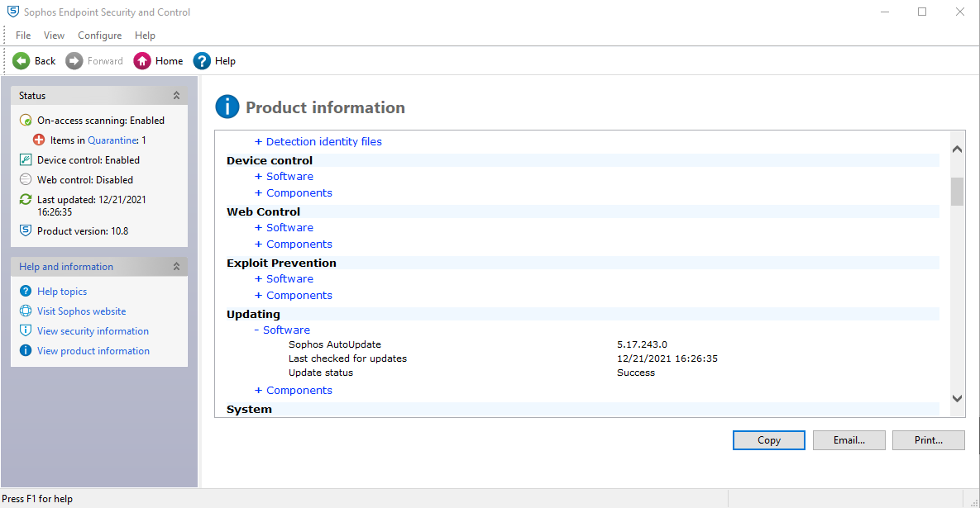
2 | Real-time security（Auto-Protect） | Is real-time protect (Auto-Protect) active?
3 | Virus scanning（scheduled scan ） | Is virus scan (scheduled scan) set-up? | company policy / IT to send monthly report
4 | Virus scanning carried out within seven days | Has the virus scan been carried out within 7days?
5 | Scanning all of the drives | Are all drives target of virus scan? | GDC policy
6 | Windows logon password | Is the Windows login password set-up? | GDC policy
7 | Screen lock password | Is the screen lock password set? | GDC policy
8 | Waiting time of the screen saver (within 10 minutes) | Is the waiting time of the screen saver within 10 minutes? | 1. Right click on the desktop 2. Select Display Settings 3. Select Power & Sleep 4. Set the waiting time of the screen saver to 10 minutes GDC policy
9 | Password for recovery from standby | Is password required when waking up from standby? | GDC policy
10 | BIOS password | In the case of a laptop, is the BIOS password set? | 1. Upon start click F12 2. If no password prompt - NG
11 | HDD password | In the case of a laptop, is HDD password set? | 1. In the windows search type 「This PC」 2. Click This PC 2. Double click Local disk
12 | Support of OS *1 | Is OS supported by microsoft? Please confirm the end of OS support. *1 | 1. In the windows search, type "cmd" 2. Click Command Prompt, then type "winver" 3. Is your version supported? Please refer to https://endoflife.date/windows
13 | Microsoft Update and so on | Is the latest security update of WSUS or Microsoft Update applied? | 1. Click Start button 2. Select "Settings" 3. Click "Update & Security" 4. Is the status say's "You're up to date" with last checked at least the previous day? | 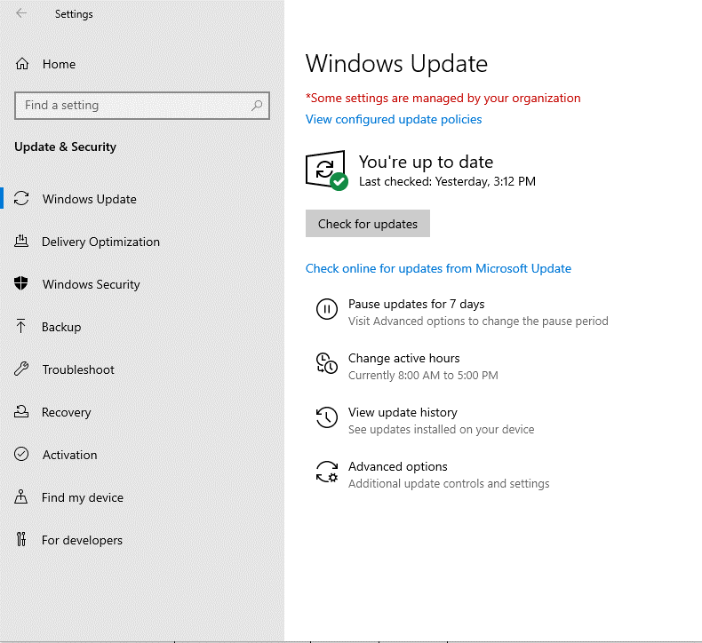
14 | Support of Adobe Flash Player*2 | Is Adobe Flash Player supported ? Please confirm if it is supported. *2 | Adobe stopped supporting Flash player beginning December 31, 2020
15 | Support of Adobe Reader*2 | Is Adobe Reader supported ? Please confirm if it is supported. *2 | Support from vendor expired or not? If expired = NG
16 | Support of Adobe Acrobat *2 | Is Adobe Acrobat supported ? Please confirm if it is supported. *2 | Support from vendor expired or not? If expired = NG
17 | Support of Java Runtime Plugin*3 | Is Java Runtime Plugin supported ? Please confirm if it is supported. *2 | Support from vendor expired or not? If expired = NG
18 | Support of RealPlayer *4 | Is RealPlayer supported ? Please confirm if it is supported. *2 | Support from vendor expired or not? If expired = NG
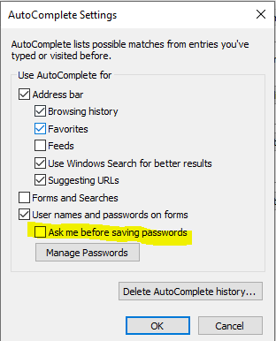
19 | Google Desktop「search across computers」 | The 「search across computers」 function of Google Desktop disabled? If applied, please choose NG. | Google Desktop was officially discontinued on September 14, 2011 1. In the windows search, type "Google Desktop" 2. There should be no Google Desktop application found in the laptop
20 | Tool for preventing sending e-mail to outside the company by mistake (SHieldMailChecker) | If you use e-mail, is SHieldMailChecker , tool to prevent sending e-mail to outside the company by mistake, installed ? | 1. Open Outlook 2. Type email address other than @fujitsu.com 3. Is notification appearing?
21 | Internet Explorer 「autocomplete」[Options] | ・In Internet Explorer Menu, click [Tools]-[Internet Options]-[Contents] tab - [Autocomplete] settings . ・In [Use AutoComplete for] items, is [Ask me before saving passswords] unchecked?
22 | Encryption HDD | Windows user: In the case of laptop, is encryption HDD mounted or encryption software installed? | 1. In the windows search, type "Manage Bitlocker 2. Click result 3. Is the bitlocker status is "on"? | 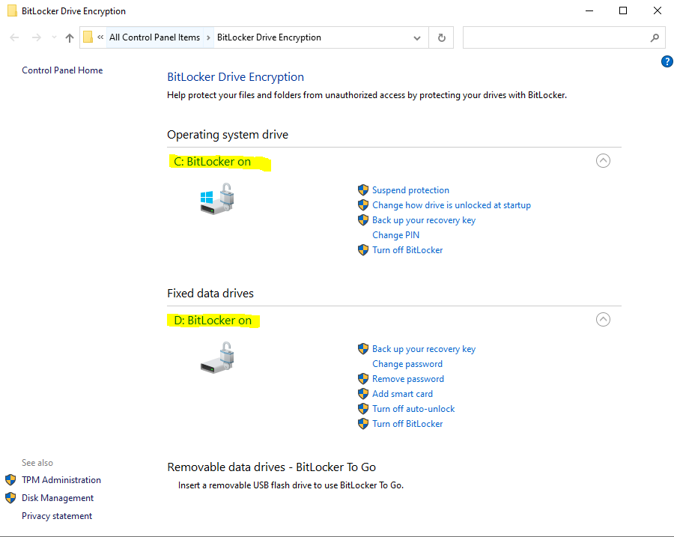
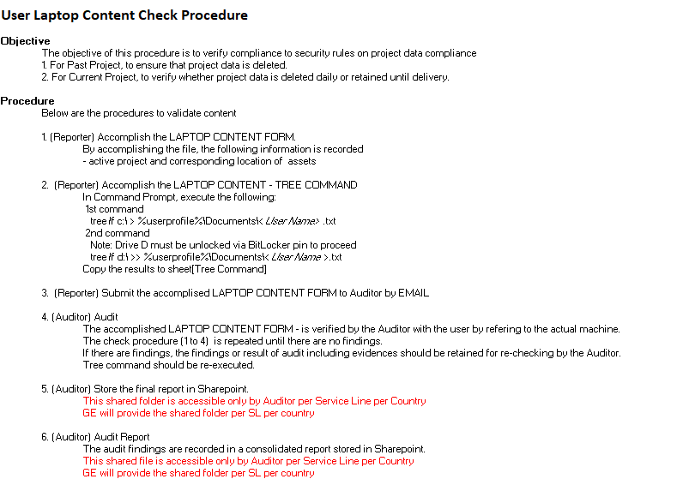
23 | Local file deletion | Follow the tree command | For targeted members only

Appendix4
FUJITSU-CONFIDENTIAL

Fujitsu Limited
(To: Fujitsu's project manager or Fujitsu's procurement department)

Certificate of the Destruction or Deletion (Sample)

Regarding Project XXX for Customer YYY, we hereby confirm that we destroyed or deleted (a) all of Fujitsu's Information (including the Personal Information), (b) all information that we obtained in connection with the Services, and (c) all copies thereof.

1. Objects to be disposed or deleted

 | (mark "X" in the appropriate box）

 |  | The Confidential Information
 |  | (stored in the PCs or the portable memory media either owned by the Company or privately owned by the relevant personnel, or recorded on paper.）

 |  | Fujitsu's Information that is not the Confidential Information (stored in the PCs or the portable memory media either owned by the Company or privately owned by the relevant personnel, or recorded on paper)

4. Attachment

 | List of the Confidential Information
 | List of the return, disposal, or deletion
 | (and other documents requested by Fujitsu)

 |  | Signature:

 |  | Name:

 |  | Department:

 |  | Company:

 |  | Date:

 |  | End of document

Appendix5
